Concentration
Ventilation chemical concentration calculator |  |  | Revision date: 10/06/24 Always download the latest version from HSE website

This tool is a quick chemical concentration calculator to estimate the concentration of chemicals in the ventilation system after high dilution in the exhaust system and with 5% max cross leakage from the energy wheel. Consult hse@kaust.edu.sa for further questions or inquiries.
Section 1,2 and 3 are ventilation design values, safety margins, constants and model assumptions.
Fill the values in gray cells in section 4
Compare final concentration with chemical TLV
TLVs are the maximum average airborne concentration of a hazardous material to which healthy adult workers can be exposed during an 8-hour workday and 40-hour workweek—over a working lifetime—without experiencing significant adverse health effects.

1. Ventilation Design Constants
Fixed Values no need to change these parameters
Ventilation Design | Value | Units | Note
1 Building Exhaust with 5 Air Handling units (AHU) | 25,000 | L/s | 5 Air Handling Units in operation for each lab zone
2 Building air Supply with 5 AHU in operation | 35,000 | L/s | Estimated Value of 5 air handling units in operation for supply air per lab zone.
Air molar mass | 28.97 | g/mol | Air molar mass in g per mol
3 Max Cross Leakage | 5 | % | Maximum cross leakage at the energy wheel.

2. Built in safety margins per AHU
Fixed Values no need to change these parameters
 | Maximum Capacity | Operational Settings | Calculation Value | Safety Margin
1 Building Exhaust Capacity (L/s) | 10000 | 6000 | 5000 | 1000
2 Building Supply Capacity (L/s) | 12000 | 8000 | 7000 | 1000
3 Maximum Allowable Percentage Cross Leakage (%) | 5 | 3 | 5 | 2%

3. Constants and model assumptions
No need to change these values
Ideal gas, approximately 22.71 L/mol at NTP | No heating involved in the experiment
21 C release temperature | No chemical reactions, simple model assuming realease of 1 chemical at a time.
1 atm release pressure | Release of one gas at a certain time in any location of the exhaust ducts (fume hood, enclosure, lab exhaust point)
Pure gas release, no gas mixtures for simplification of calculation. | Idel gas

4. Chemical Properties and Occupational limits
Enter experiment and chemical values here
 | (Enter values in gray cells)
What is the name of the released chemical? | Ammonia | Units | Enter Chemical Name
What is the released Chemical Molecular weight? | 17.03 | g/mol | Enter chemical molecular weight data in gram per mol (Required)
What is the flow rate of the released chemical? | 1000 | ml/min | Enter volumetric flow value in ml/min (Required)
What is the expansion rate liquid to gas? | 850 | In volume | Enter expansion ratio if applicable, depending on the liquid to gas expantion rate for each chemical. (Usually value 1 unless liquified gases or cryogens)
What is the released chemical IDLH? | 300 | ppm | Enter IDLH for reference from SDS
What is the released chemical TLV? | 25 | ppm | Enter TLV for reference from SDS (Required)
What is the released chemical Odor Threshold? | 5 to 50 | ppm | Enter range for reference from SDS

5. Calculation
Result to show in cell B52
Chemical flow in the system | 14 | l/s | Conversion to liter/second
Total flow | 25,014 | l/s | Gas flow release plus exhaust air flow
Chemical Molar volume | 0.62 | moles/s | Molar volumen of chemical exhausted
Air molar flow rate | 1,100.84 | moles/s
Total molar flow rate | 1,101.46 | moles/s
Concentration of chemical at the exhaust | 566.35 | ppm
Concentration of chemical at supply with 5% cross leak | 20.23 | ppm | Worst case scenario with 5% cross leakage. Typical energy wheel cross leakage is 0.05%

Is the concentration of the chemical back in the supply higher than the TLV?
Is the concentration of the chemical back in the supply higher than odor threshold despite being lower than TLV?
If yes, you are likely to continue smelling the chemical but the calculation has establish safe use.
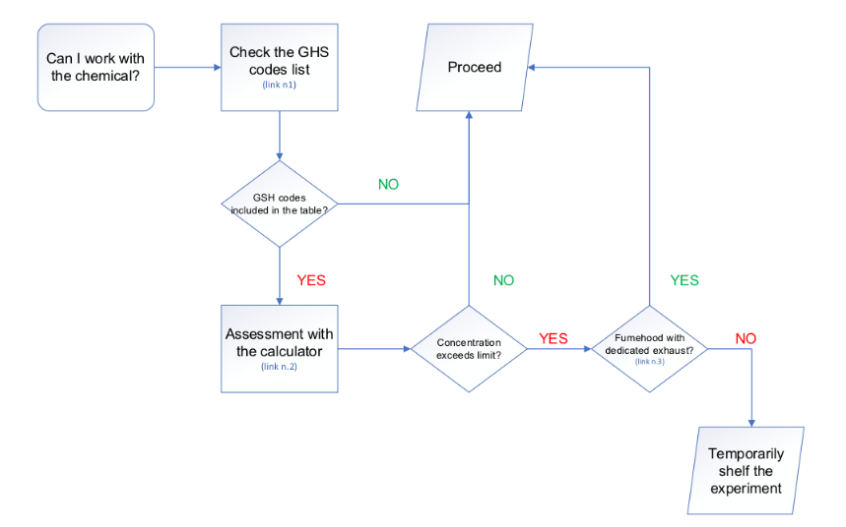
TLVs are the maximum average airborne concentration of a hazardous material to which healthy adult workers can be exposed during an 8-hour workday and 40-hour workweek—over a working lifetime—without experiencing significant adverse health effects.
NOTE: ACGIH's TLV values are used as reference instead of NIOSH's REL. ACGIH adheres to more conservative values in comparison with NIOSH RELs.

